初选数据
产品初选表
创建时间：
细分市场 | 细分市场(翻译) | 初步结论 | 类目链接 | 最新数据 |  |  |  | 销量趋势（上搜索，下销量） | 评价数量 | 其他
Cold Brew Coffee Maker | 咖啡冷萃机 | TOP100 | https://www.amazon.com/gp/bestsellers/kitchen/7223587011/ref=pd_zg_hrsr_kitchen | 在售产品数 | 100 | 平均价格（$) | $31.96
 |  |  |  | 卖家垄断系数 | 71.52% | 月均销量 | 541.96
 |  |  |  | 月均销售额($) | $19,579.69 | 月中位销售额($) | $5,192.65
 |  |  |  | AMZ自营占比 | 15个, 15.0% | AMZ自营市场份额 | 61.39%
 |  |  |  | 平均上架天数 | 1052 | 平均评价数量 | 2878
 |  |  |  | 新品占比(%) 三个月/六个月 | 15个, 15.0% | 新品市场份额(%) 三个月/六个月 | 0.051421476553
 |  |  |  | 月搜索量 |  | 退货率(%)
 |  |  |  | Top75-100月均销售额($) | 586.37 | 平均FBA占比 | 30%
 |  |  |  | 在售商家数 | 71 | 品牌数 | 81
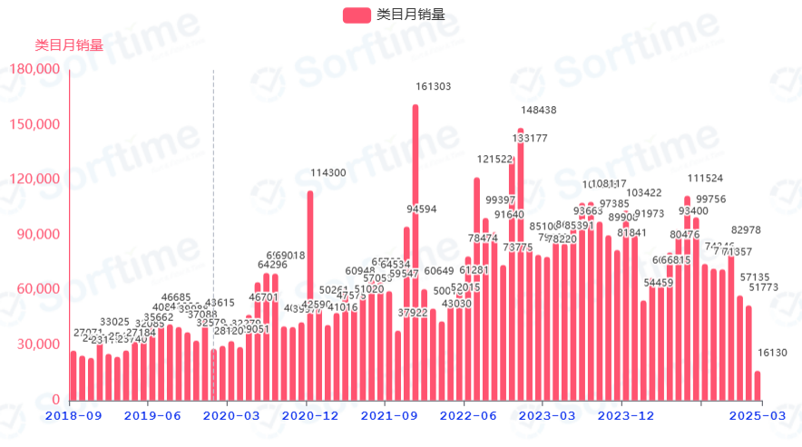
 |  |  |  | 其他评价
Cold Brew Coffee Maker | 咖啡冷萃机 | 仅新品：中位销售额不太好 | https://www.amazon.com/gp/bestsellers/kitchen/7223587011/ref=pd_zg_hrsr_kitchen | 在售产品数 | 15 | 平均价格（$) | $53.15
 |  |  |  | 卖家垄断系数 | 97.71% | 月均销量 | 181.33
 |  |  |  | 月均销售额($) | $7,047.72 | 月中位销售额($) | $1,963.75
 |  |  |  | AMZ自营占比 | 2个, 13.333333333333334% | AMZ自营市场份额 | 20.27%
 |  |  |  | 平均上架天数 | 128 | 平均评价数量 | 66
 |  |  |  | 新品占比(%) 三个月/六个月 | 15个, 100.0% | 新品市场份额(%) 三个月/六个月 | 1
 |  |  |  | 月搜索量 |  | 退货率(%)
 |  |  |  | Top75-100月均销售额($) | 464.69 | 平均FBA占比 | 28%
 |  |  |  | 在售商家数 | 13 | 品牌数 | 15
 |  |  |  | 其他评价

